Objectives
Objectives |  | Improvement Required
 |  | Developing
 |  | Achieving
 |  | Excelling
Name: | Umali, Joane Viviene
Team Member ID Number: | 10041541
Position Title: | Operations CSR III
Supervisor's Name: | Joanna Joi Javines
Supervisor's Position Title: | Operations Team Leader
Performance Period: | January - December 2022
Department/Program: | Operations

DIRECTIONS: Objectives
Please write down the objectives of the team member for this performance evaluation period.
Enter your notes in the spaces provided below to validate and confirm the ratings and indicate other performance factors (i.e. significant achievements,
performance highlights, work on special projects, and Development Opportunities).

Immediate Manager to complete |  |  |  | Team member to complete
Objectives |  | Performance Result | Development Opportunities | Team Member Self Assessment
Productivity |  | Excelling - 120% |  | Consistent in providing above the target productivity every month .
Quality Audits |  | Excelling - 118% |  | Consistent in providing above the target every month .
PMA |  | Excelling - 118% |  | Consistent in providing above the target every month .
Absenteeism |  | Excelling - 120% |  | True to my promise during my final interview that the only reason for absenteeism is a matter of life and death.

 |  | Overall Objective Results | Excelling

What were Team Member's most important job objectives for this year and what results have been achieved to date? Please include
program/ department specific metrics and indicate if they were achieved within the timeframe prescribed.

What are the Team Member's key objectives over the next three months? Six months? One Year?

Other Remarks:

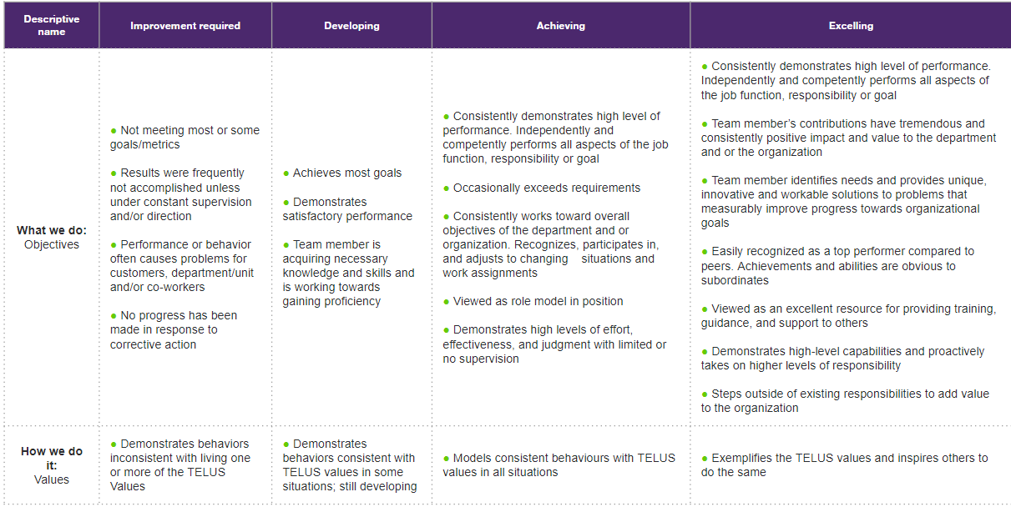

Summary
Overall Performance

Name: | Umali, Joane Viviene
Team Member ID Number: | 10041541
Position Title: | Operations CSR III
Supervisor's Name: | Joanna Joi Javines
Supervisor's Position Title: | Operations Team Leader
Performance Period: | January - December 2022
Department/Program: | Operations

Overall Ratings

 |  |  | Score | Weight
 | Overall Objective Rating |  | Excelling | 50% | Excelling0
 | Overall Demonstrating the Values |  | 0.00 | 50%
 | Overall Performance Rating |  |  | 100%

Developmental Plan

Additional Accomplishments

Team Member Comments

Manager Comments

Signatures:
Team Member |  | Date |  | Immediate Supervisor |  | Date

Signature |  |  |  | Signature
Name |  |  |  | Name
Position |  |  |  | Position

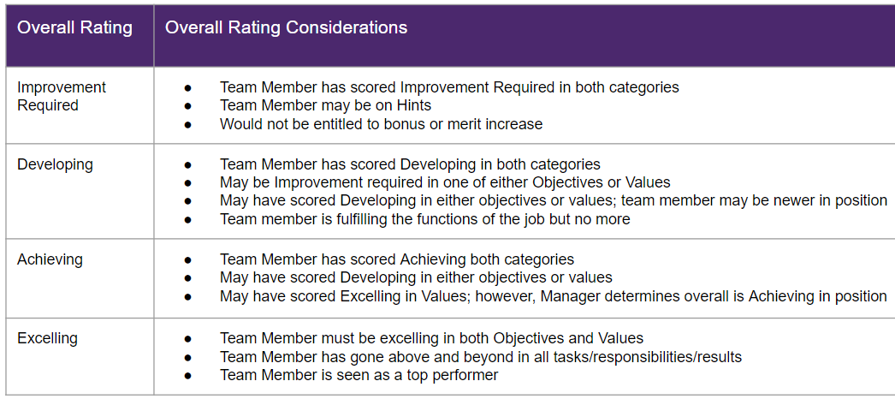

Description Reference
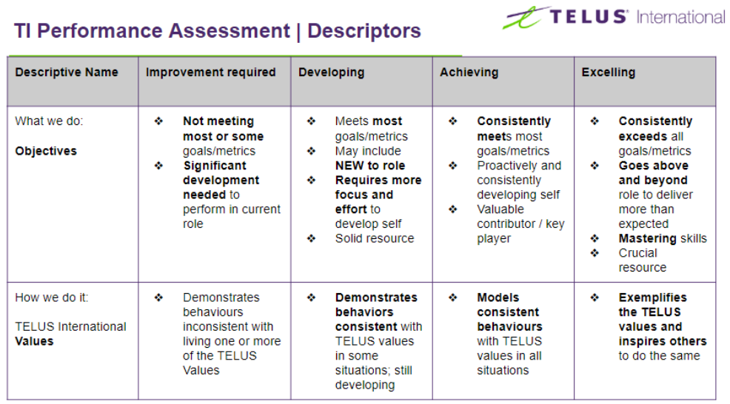

 |  |  |  |  |  |  |  |  |  | 4-point scale

 |  |  |  |  |  |  |  |  |  | Description | Achievement
 |  |  |  |  |  |  |  |  |  | improvement Required | 0.00% - 94.99% | 1
 |  |  |  |  |  |  |  |  |  | Developing | 95% - 99.99% | 2
 |  |  |  |  |  |  |  |  |  | Achieving | 100% - 104.99% | 3
 |  |  |  |  |  |  |  |  |  | Excelling | 105% - Up | 4

 |  | 50% | 20% | 20% | 10% | 50% | 20% | 20% | 10%
LOB | MONTH | Productivity | Quality - Audits | PMA | Absenteeism | Productivity | Quality - Audits | PMA | Absenteeism
PF Offline | JAN 2022 | 148.07% | 92.50% | 100.00% | 0.00% | 120% | 111% | 120% | 120%
PF Offline | FEB 2022 | 172.31% | 100.00% | 100.00% | 33.33% | 120% | 120% | 120% | 15%
PF Offline | MAR 2022 | 281.85% | 100.00% | 100.00% | 1.94% | 120% | 120% | 120% | 120%
PF Offline | APR 2022 | 260.26% | 93.33% | 93.33% | 0.04% | 120% | 112% | 112% | 120%
PF Offline | MAY 2022 | 257.14% | 100.00% |  | 0.10% | 120% | 120% |  | 120%
PF Offline | JUN 2022 | 142.50% | 100.00% | 100.00% | 0.86% | 120% | 120% | 120% | 120%
PF Offline | JUL 2022 | 197.54% | 100.00% | 93.33% | 0.00% | 120% | 120% | 112% | 120%
PF Offline | AUG 2022 | 151.40% | 94.67% | 100.00% | 0.00% | 120% | 114% | 120% | 120%
PF Offline | SEP 2022 | 180.07% | 100.00% | 100.00% | 0.00% | 120% | 120% | 120% | 120%
PF Offline | OCT 2022 | 131.86% | 96.72% | 100.00% | 0.00% | 120% | 116% | 120% | 120%
 | NOV 2022 | 142.44% | 100.00% | 100.00% | 0.30% | 120% | 120% | 120% | 120%
 | DEC 2022

 | AVerage
 | Baleeen point | 187.77% | 97.93% | 98.67% | 3.32% | 120.00% | 118% | 118.00% | 120%
 |  |  |  |  |  | 4 | 4 | 4 | 4
 |  |  |  |  |  | Excelling | Excelling | Excelling | Excelling

